Sheet1
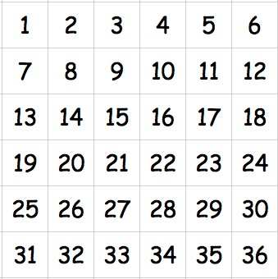
1 | 31 |  | 36 | 1 | 6 |  | 1
2 | 25 |  | 35 | 1 | 12 |  | 2
3 | 19 |  | 34 | 1 | 18 |  | 3
4 | 13 |  | 33 | 1 | 24 |  | 4
5 | 7 |  | 32 | 1 | 30 |  | 5
6 | 1 |  | 31 |  | 36 | 1 | 6
7 | 32 | 1 | 30 |  | 5 |  | 7
8 | 26 |  | 29 | 1 | 11 |  | 8
9 | 20 |  | 28 | 1 | 17 |  | 9
10 | 14 |  | 27 | 1 | 23 |  | 10
11 | 8 |  | 26 |  | 29 | 1 | 11
12 | 2 |  | 25 |  | 35 | 1 | 12
13 | 33 | 1 | 24 |  | 4 |  | 13
14 | 27 | 1 | 23 |  | 10 |  | 14
15 | 21 |  | 22 | 1 | 16 |  | 15
16 | 15 |  | 21 |  | 22 | 1 | 16
17 | 9 |  | 20 |  | 28 | 1 | 17
18 | 3 |  | 19 |  | 34 | 1 | 18
19 | 34 | 1 | 18 |  | 3 |  | 19
20 | 28 | 1 | 17 |  | 9 |  | 20
21 | 22 | 1 | 16 |  | 15 |  | 21
22 | 16 |  | 15 |  | 21 | 1 | 22
23 | 10 |  | 14 |  | 27 | 1 | 23
24 | 4 |  | 13 |  | 33 | 1 | 24
25 | 35 | 1 | 12 |  | 2 |  | 25
26 | 29 | 1 | 11 |  | 8 |  | 26
27 | 23 |  | 10 |  | 14 |  | 27 | 1
28 | 17 |  | 9 |  | 20 |  | 28 | 1
29 | 11 |  | 8 |  | 26 |  | 29 | 1
30 | 5 |  | 7 |  | 32 | 1 | 30
31 | 36 | 1 | 6 |  | 1 |  | 31
32 | 30 |  | 5 |  | 7 |  | 32 | 1
33 | 24 |  | 4 |  | 13 |  | 33 | 1
34 | 18 |  | 3 |  | 19 |  | 34 | 1
35 | 12 |  | 2 |  | 25 |  | 35 | 1
36 | 6 |  | 1 |  | 31 |  | 36 | 1
 |  | 9 |  | 9 |  | 10 |  | 8

